Production Plan-workings
Furniture Manufacturer
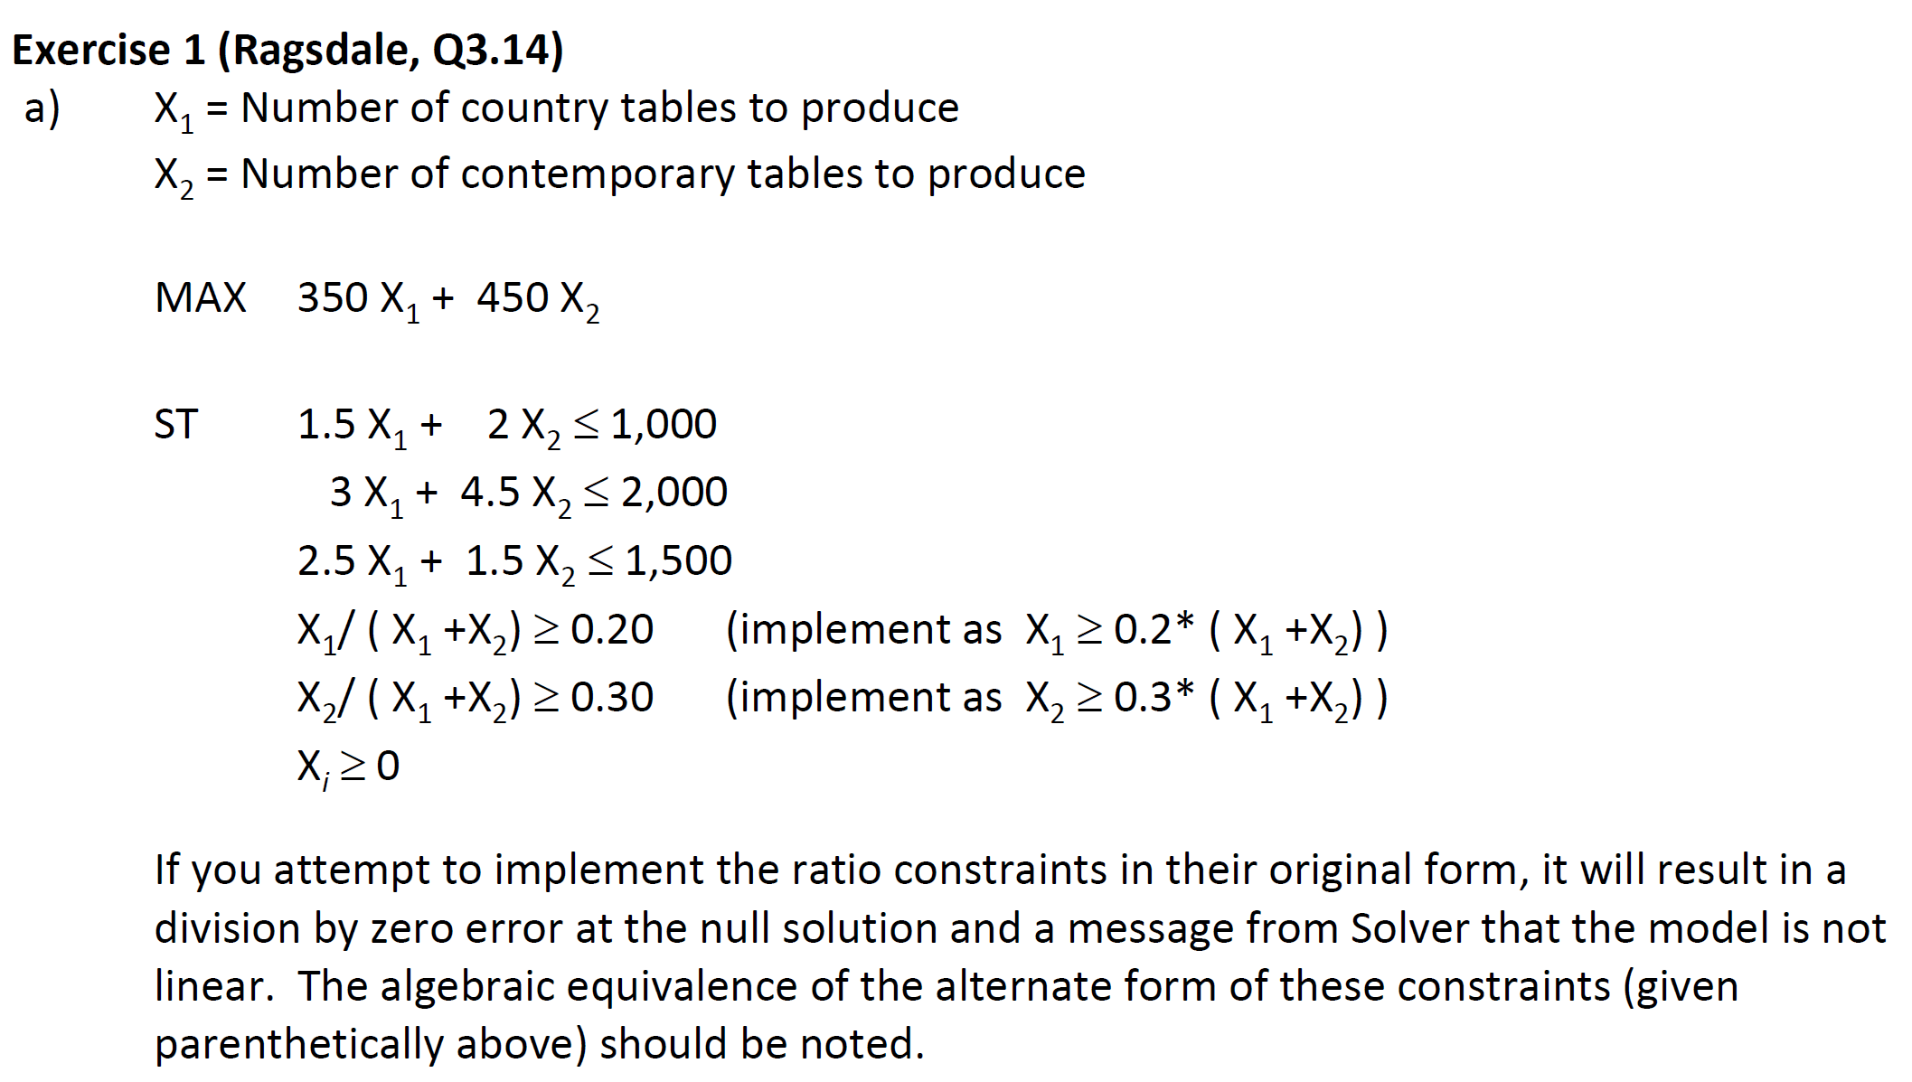
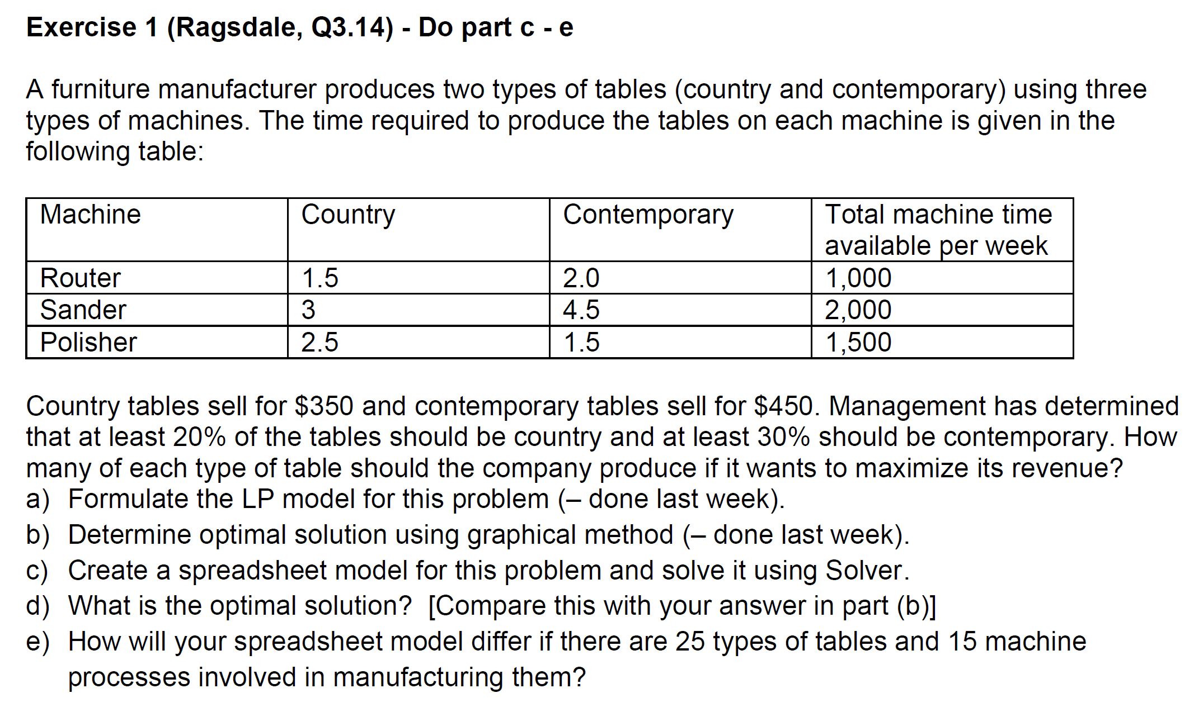
 | Country | Contemporary
Units Produced |  |  | Total Revenue
Selling Price | $350 | $450

Resoureces Req'd |  |  | Used | Available (RHS)
Router | 1.5 | 2 |  | 1,000
Sander | 3 | 4.5 |  | 2,000
Polisher | 2.5 | 1.5 |  | 1,500
Min. Req'd % | 1 |  |  | 0
Min. Req'd Amt |  | 1 |  | 0

proportion | #DIV/0! | #DIV/0!

Maximize: E5
By Changing: C4:D4
Subject To: E8:E10<=F8:F10
C4:D4>=C13:D13
C4:D4>=0

Production Plan
Furniture Manufacturer

 | Country | Contemporary
Units Produced | 405.80 | 173.91 | Total Revenue
Selling Price | $350 | $450 | $220,290

Resoureces Req'd |  |  | Used | Available (RHS)
Router | 1.5 | 2 | 956.52 | 1,000
Sander | 3 | 4.5 | 2,000.00 | 2,000
Polisher | 2.5 | 1.5 | 1,275.36 | 1,500
Min. Req'd % | 1 |  | 405.80 | 116
Min. Req'd Amt |  | 1 | 173.91 | 174

proportion | 0.70 | 0.30

Maximize: E5
By Changing: C4:D4
Subject To: E8:E10<=F8:F10
C4:D4>=C13:D13
C4:D4>=0

